Sheet1
Battery Indicator Calculation

Parameter
Name | Value
V reference | 3.3 | Volt
V batt Max | 4.2
V batt Min | 3.35

R1 | 680 | k Ohm
R2 | 220

Volt Reading
Volt Reading
V read (x) | V real (y)
3.17 | 4.2
3.02 | 4
2.87 | 3.8
2.72 | 3.6
2.53 | 3.35

y = 1.3235x

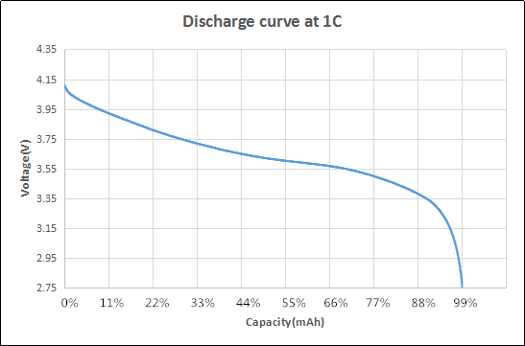
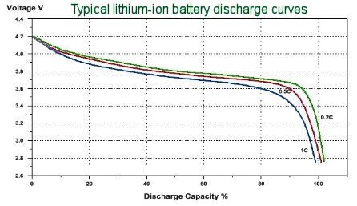
Batt Indicator
Number | Volt
4 | > 3.75
3 | 3.75 - 3.6
2 | 3.6 - 3.35
1 | < 3.35

 |  |  | 4 | <30%
 |  |  | 3 | 30-60%
 |  |  | 2 | 60-90%
 |  |  | 1 | >90%

